graphs
SOLAR PV | 0 | 3000 | 6000 | 9000 | 12000 | SOLAR THERMAL | 0 | 500 | 1000 | 1500 | 2000 | ONSHORE WIND OLD | 0 | 3000 | 6000 | 9000 | 12000 | 15000 | 18000 | 21000 | 24000 | OFFSHORE WIND | 0 | 3000 | 6000 | 9000 | 12000 | 15000 | 18000 | 21000 | 24000
MCGLT Solar PV | 1650 | 4950 | 19800 | 5000 | 8000 | MCGLT Solar Thermal | 50 | 100 | 200 | 400 | 800 | MCGLT Wind - Old assumption | 2000 | 2000 | 1800 | 1600 | 1400 | 1200 | 1000 | 800 | 600 | MCGLT offshore wind | 825 | 1320 | 1650 | 2475 | 3300 | 4125 | 4950 | 5775 | 3500
Max Historical | 1000 | 1000 | 1000 | 1000 | 1000 | Max Historical | 0 | 0 | 0 | 0 | 0 | Max Historical | 2000 | 2000 | 2000 | 2000 | 2000 | 2000 | 2000 | 2000 | 2000 | Max Historical | 0 | 0 | 0 | 0 | 0 | 0 | 0 | 0 | 0
 |  |  |  |  |  |  |  |  |  |  |  | MCGLT Wind - New assumption | 3300 | #REF! | 3300 | 9900 | #REF! | #REF! | #REF! | #REF! | 9900

For information |  |  |  |  |  |  | For information
Solar PV Brazil |  |  |  |  |  |  | Solar Thermal Brazil |  |  |  |  |  | For information
Inst Cap 2020: 8 GW |  |  |  |  |  |  | Inst Cap 2020: 0 GW |  |  |  |  |  | Onshore Wind Brazil |  |  |  |  |  |  |  |  |  | For information
(including distributed generation) |  |  |  |  |  |  |  |  |  |  |  |  | Inst Cap 2020: 15 GW |  |  |  |  |  |  |  |  |  | Offshore Wind Brazil
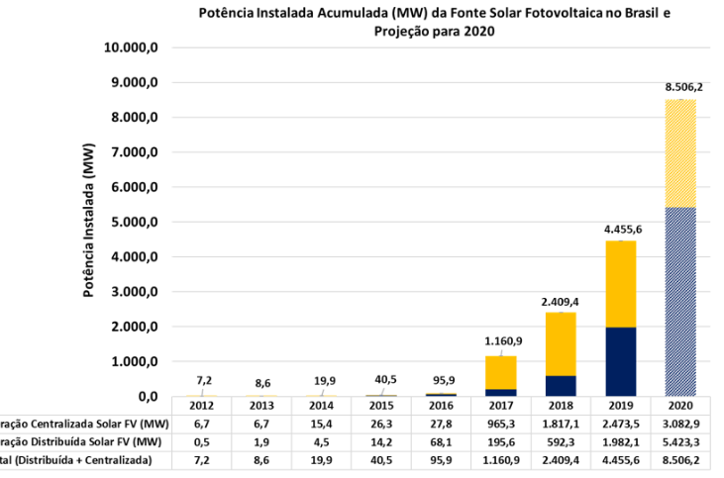
 |  |  |  |  |  |  |  |  |  |  |  |  | (above the red line, thus - we allow it to grow a bit more) |  |  |  |  |  |  |  |  |  | Inst Cap 2020: negligible

